
 |  |  |  | CODE: |  | pl1248 ae SN from 00B200
DESCRIPTION: |  | TANK |  | TANK | RESERVOIR | TANQUE | SERBATOIO
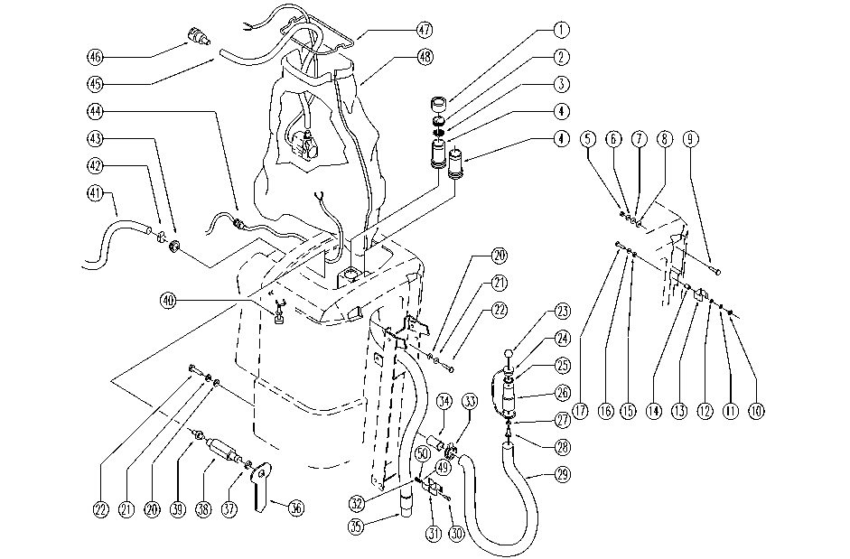

REF. | CODE | DESCRIPTION | QT
1 | E86651 | Filter Cap | 1
2 | E86613 | Vacuum Filter | 1
3 | E86637 | Vacuum Filter | 1
4 | SL17293 | NOZZLE | 2
5 | E86876 | Nut | 1
6 | E89183 | Washer | 1
7 | E86878 | Washer | 1
8 | E86718 | AS20 Washer | 1
9 | E89159 | Screw for front cover of Foreman28 | 1
10 | E86873 | Nut | 2
11 | E86716 | Cham Washer | 2
12 | E86427 | Washer for AS20 | 2
13 | E87808 | Hose Clip FS28 | 1
14 | E86561 | spacer | 2
15 | E86718 | AS20 Washer | 2
16 | E86758 | Washer | 2
17 | E87853 | Screw FS28 | 2
20 | E86704 | Washer D 6-18 | 3
21 | E86700 | Cham Washer D6 | 3
22 | E86737 | Screw | 3
23 | E86459 | AS20 Knob | 1
24 | SL14237 | CAP | 1
25 | E86689 | AS28 Gasket | 1
26 | E86849 | Sleeve | 1
27 | E86427 | Washer for AS20 | 1
28 | E86475 | AS20 Screw TE M .6-20 | 1
29 | SL19188 | PIPE | 1
31 | SL13127 | DUCT LOCK | 2
30 | E86734 | Screw | 2
32 | E86735 | Nut | 2
33 | E86480 | Double Wire Clamp | 1
34 | E86476 | AS20 Membrane Valve - Polyur. | 1
35 | E86664 | Squeegee Pick-Up Hose | 1
36 | SL17307 | INDICATOR | 1
37 | E89439 | Gasket | 1
38 | E89438 | Coupling | 1
39 | SL18233 | UNION / CONNECTOR | 1
40 | E86835 | Floating Switch | 1
41 | SL19212 | PIPE | 1
42 | E86751 | Clamp 10-16 | 1
43 | SL05059 | NUT | 1
44 | SL23391 | CABLE CLAMP | 1
45 | E86693 | AS28/30/36 Pipe | 1
46 | E86692 | AS28 Coupling Clutch | 1
47 | SL09617 | FRAME | 1
48 | E86632 | Membrane Bag | 1
49 | E86768 | Washer | 1
50 | E86769 | Washer | 1

